Feuil1
COUNTRY ID
AT | UNEMPLOYMENT Data for 2020 have already been published, those for 2021 will appear on March 10, 2022 | EU-SILC | NUTS 1 (see answer)
BE | POVERTY for data 2021 Mid 2022 | https://ec.europa.eu/eurostat/documents/203647/771732/Datasets-availability-table.pdf
BG | GDP/capita with data for 2020 at regional level NUTS-3 will be available on 28.01.2022. Data for 2021 will become available on Jan 28th 2023.
CH | Until now we have no official information on the release of 2020 data of social welfare and GDP.
DE | a more detailed regional breakdown is not possible and more up-to-date data is not yet available. Further data are not available to us. At the European level and at the federal level, EU-SILC is often used as a data source to calculate indicators relating to income poverty and income distribution. EU-SILC cannot be used to present comparable indicators at the federal state level, as the sample is not large enough to show the corresponding indicators for smaller federal states as well. | 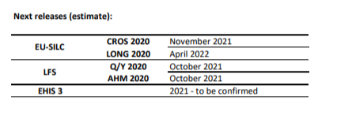
DK | UNEMPLOYMENT : ok others : The latest year is currently 2019 and the release of data for 2020 is 29 November
EE | POVERTY : ok others : 2020 data will be released 8 November 2021 | EU-LFS
FI | 1 year lag minimum for regional data | https://ec.europa.eu/eurostat/fr/web/microdata/european-union-labour-force-survey
FR | 2 years lag "(les dernières données datent de 2018 pour des publications courant 2021" | 1 year lag
IE | SILC 2021 data is not expected until late spring next year.
IS | ok |  | NUT 2
IT | essentially based on EU SILC | It should be also noted that due to changes in the EU legislation (in force from the beginning of 2021) data for 2021 are not fully comparable with that for previous years
LV | 1 year lag, it depends | https://statbel.fgov.be/fr/note-methodologique-eu-silc-covid-19
MT | ok
NL | 2021 data will be published at the end of 2022
NO | Figures for Income and wealth statistics for households, 2020, is expected to be published in February 2022
RO | EU SILC and LFS
SI | UNEMPLOY : data for 2021 will be available next year (probably in april 2022). SOCIAL EXCLUSION : Data for 2021 will be published in July 2022.

